Project175
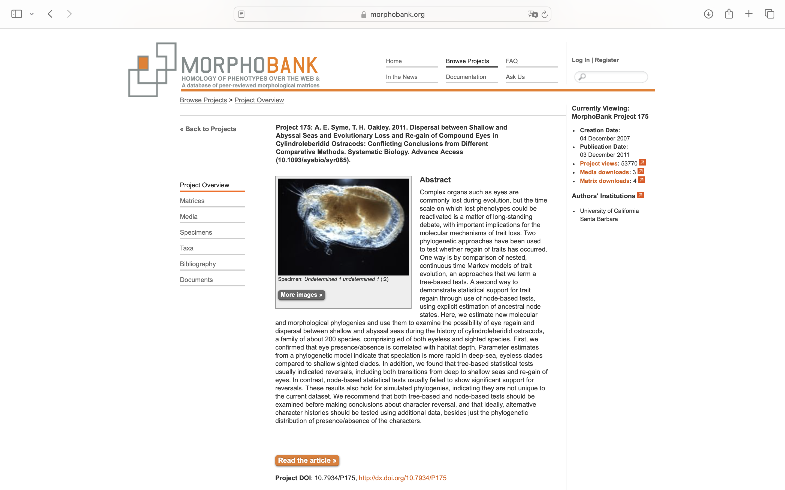
Charlabels | Character Pattern | Unseen States
[1] 'Carapace with vertical ridge posterior to incisur' | Neomorphic | NO
[2] 'Carapace with posterior nodes' | Neomorphic | NO
[3] 'Carapace with horizontal ridge' | Neomorphic | NO
[4] 'Carapace rostrum anterior marg' | Transformational | YES
[5] 'Carapace dorsal margin dentit' | Transformational | NO
[6] 'Carapace of male posterior ro' | Transformational | NO
[7] 'Carapace posterior infold wit' | Transformational | NO
[8] 'A1 art 2 lat setae p/a' | Neomorphic | NO
[9] 'A1 art 2 lat setae #' | Transformational | NO
[10] 'A1 art 2 dorsal setae p a' | Neomorphic | NO
[11] 'A1 art 2 no. dorsal setae' | Transformational | NO
[12] 'A1 art 3 dorsal setae' | Transformational | NO
[13] 'A1 art 5 dorsal nodes' | Transformational | NO
[14] 'A1 s seta prox filament p a' | Neomorphic | NO
[15] 'A1 art 5 s seta proximal filam' | Transformational | NO
[16] 'A1 art 5 s seta arrangement o' | Transformational | YES
[17] 'A1 art 5 s seta terminal filam' | Transformational | NO
[18] 'A1 art 5 s seta of male' | Transformational | YES
[19] 'A1 art6 medial seta p a' | Neomorphic | NO
[20] 'A1 art 6 medial seta length' | Transformational | YES
[21] 'A1 art 7 a seta shape' | Transformational | YES
[22] 'A1 art 8 d seta present absen' | Neomorphic | NO
[23] 'A1 art 8 d seta shape' | Transformational | YES
[24] 'A1 art 8 d seta length % of e' | Transformational | YES
[25] 'd seta with spines' | Transformational | YES
[26] 'A1 art 8 e seta spinous' | Transformational | NO
[27] 'a1 male c and f setae' | Transformational | YES
[28] 'A2 proto disto-med seta p/a' | Transformational | NO
[29] 'A2 distomed seta spines' | Transformational | NO
[30] 'A2 endopod art 1 setae' | Neomorphic | NO
[31] 'A2 endopod art 2 setae' | Neomorphic | NO
[32] 'A2 exopod art 2 of male lengt' | Transformational | YES
[33] 'Md basale dorsal proximal seta' | Neomorphic | NO
[34] 'Md basale dorsal margin midl' | Neomorphic | NO
[35] 'Md basale dorsal margin midl 1' | Transformational | NO
[36] 'Md basale dorsal distal setae' | Neomorphic | NO
[37] 'Md basale dorsal terminal seta' | Transformational | YES
[38] 'Md exopod length % art1 endo' | Transformational | YES
[39] 'Md endopod art 1 dorsal termi' | Transformational | NO
[40] 'Md endopod articles fused' | Transformational | NO
[41] 'Md. arrangement of dorsal seta' | Transformational | YES
[42] 'Md endopod art 2 e seta' | Transformational | NO
[43] 'Mx setal comb on ventral margin' | Transformational | NO
[44] 'Mx endopod art 1 anterior seta' | Neomorphic | NO
[45] 'Mx endopod art 1 no. anterior' | Transformational | NO
[46] 'Mx endopod art 1 beta seta' | Transformational | NO
[47] 'Mx endopod terminal article s' | Transformational | NO
[48] '5th limb leg like' | Transformational | YES
[49] '5th epipod p a' | Neomorphic | NO
[50] '6th endopod shape' | Transformational | YES
[51] '6th setae at upper endite' | Neomorphic | NO
[52] '6th setae at above upper end' | Transformational | NO
[53] '6th setae at lower endite' | Neomorphic | NO
[54] '6th setae at below lower end' | Transformational | NO
[55] '6th epipodial setae' | Neomorphic | NO
[56] '7th limb shape' | Transformational | YES
[57] '7th setae' | Transformational | YES
[58] '7th limb terminal process' | Transformational | NO
[59] '7th limb tip shape' | Transformational | YES
[60] '7th tip single or double' | Transformational | YES
[61] 'Furca arrangement of claws' | Transformational | YES
[62] 'Furca setae between claws' | Transformational | NO
[63] 'Gills p a' | Neomorphic | NO
[64] 'Gills development' | Neomorphic | NO
[65] 'Posterior body fingerlike pro' | Transformational | YES
[66] 'Median eye p a' | Neomorphic | NO
[67] 'Bellonci organ p a' | Neomorphic | NO
[68] 'Locality'
[69] 'Depth'
[70] 'depth binary'
[71] 'lat eyes p a' | Neomorphic | NO

